Table 45
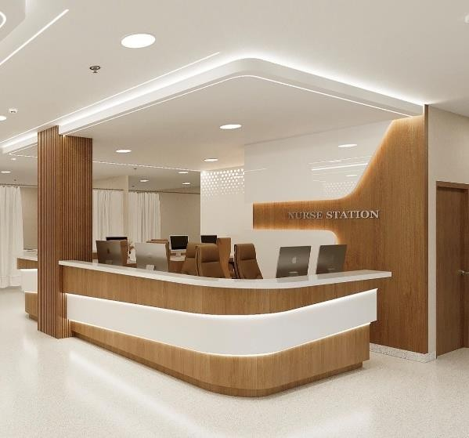
• Install partition walls for consultation, treatment rooms, storage rooms, meeting room, staff lounge, dirty utility and clean utility • High-quality finishes for floors to meet healthcare facility standards (Gerflor or equivalent). • High quality finish for walls to meet healthcare facility standards. • High quality finish for ceilings to meet healthcare facility standards. • Ensure smooth transitions and compliance with relevant building codes for healthcare environments. • Supply and installation of complete renovations for washroom including full waterproofing, tiles (RAK), sanitary, plumbing, mirror, accessories and handle • Supply and installation of full wall guard and angle guard all over the entire project • Supply and installation of white acrylic spill protection behind the in-clinic sink • Supply and installation of Transparent Acrylic Sheet protection behind all chairs to prevent damaging the walls • Supply and installation of Signages with coordination with marketing department (for offices, corridors and public) • Supply and installation of nurse stations to match the existing ER nurse station (including drawers and overhead cabinet)

Table 107
1278
980
ANTE ER | NURSE STATION | PWC | A.C.-11 | A.C.-12 | 2500 | A.C.-13 | A.C.-14 | 1516 | 1516 CORR. | PWC | 3636 Nurse Station 2968 | 2700 | BAY-8 BAY-9 | OFFIC 317

Table 121
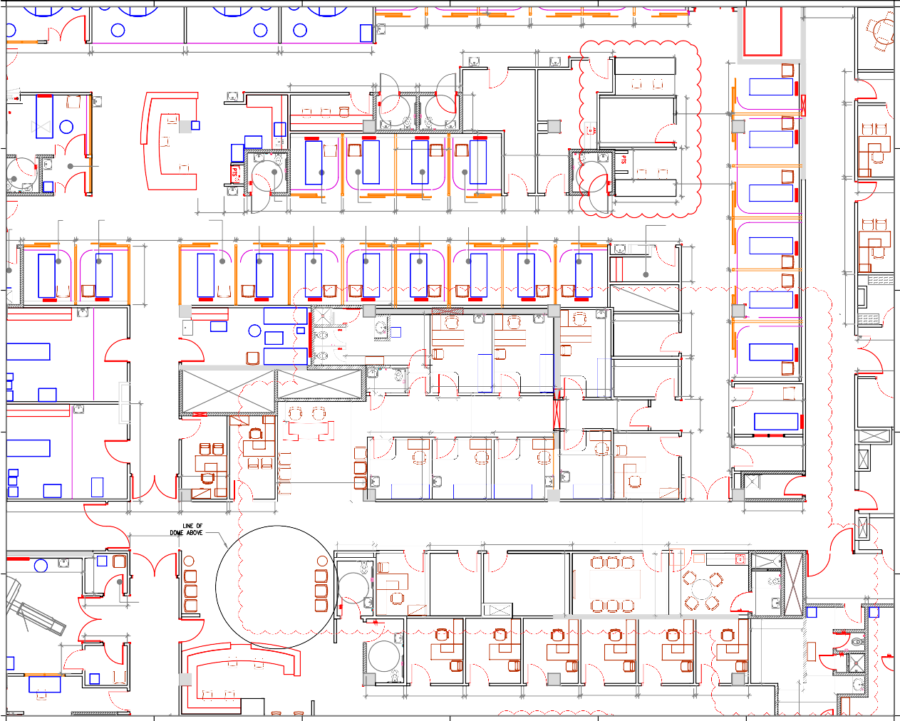
1 2 3 4 5 6

1948 2500 2500 2500 2524 1516 1516 1948

